Time & Tru Manifest
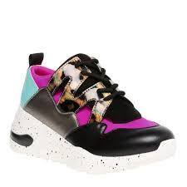
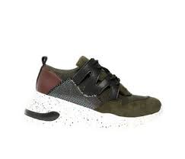
Time & Tru Women's Sneakers
Size | Pallet #1 | Pallet#2 | Pallet #4 | Pallet #6 | Pallet #10 | Pallet #13 | Pallet #14 | Pallet #16 | Pallet #21 | Pallet #22 | Pallet #23 | Pallet #24 | Pallet #25 | Pallet #26 | Pallet #27 | Pallet #28 | Pallet #29 | Total Boxes Per Size | Total Units Per Size
6 | 0 | 0 | 0 | 0 | 0 | 0 | 0 | 0 | 0 | 0 | 0 | 0 | 8 | 1 | 0 | 0 | 2 | 11 | 66
6.5 | 0 | 0 | 10 | 5 | 0 | 0 | 0 | 0 | 0 | 0 | 0 | 2 | 0 | 1 | 0 | 0 | 0 | 18 | 108
7 | 6 | 2 | 4 | 3 | 7 | 0 | 0 | 0 | 2 | 0 | 2 | 5 | 0 | 16 | 3 | 1 | 2 | 53 | 318
7.5 | 0 | 4 | 5 | 0 | 5 | 0 | 0 | 2 | 0 | 0 | 0 | 4 | 0 | 2 | 1 | 5 | 1 | 29 | 174
8 | 1 | 5 | 9 | 6 | 5 | 9 | 0 | 0 | 15 | 0 | 20 | 8 | 1 | 6 | 7 | 7 | 2 | 101 | 606
8.5 | 4 | 4 | 0 | 9 | 1 | 4 | 0 | 19 | 14 | 13 | 6 | 4 | 0 | 1 | 10 | 0 | 3 | 92 | 552
9 | 2 | 8 | 0 | 4 | 3 | 7 | 0 | 0 | 3 | 0 | 2 | 6 | 9 | 8 | 5 | 7 | 6 | 70 | 420
9.5 | 13 | 2 | 0 | 0 | 6 | 3 | 0 | 15 | 2 | 0 | 2 | 1 | 1 | 0 | 3 | 0 | 17 | 65 | 390
10 | 2 | 3 | 1 | 3 | 1 | 7 | 24 | 0 | 0 | 23 | 0 | 3 | 17 | 1 | 0 | 6 | 2 | 93 | 558
11 | 2 | 2 | 1 | 0 | 2 | 0 | 0 | 0 | 0 | 0 | 4 | 3 | 0 | 0 | 1 | 0 | 1 | 16 | 96
Total Boxes | 30 | 30 | 30 | 30 | 30 | 30 | 24 | 36 | 36 | 36 | 36 | 36 | 36 | 36 | 30 | 26 | 36 | 548
Total Units | 180 | 180 | 180 | 180 | 180 | 180 | 144 | 216 | 216 | 216 | 216 | 216 | 216 | 216 | 180 | 156 | 216 |  | 3288

